Scenario
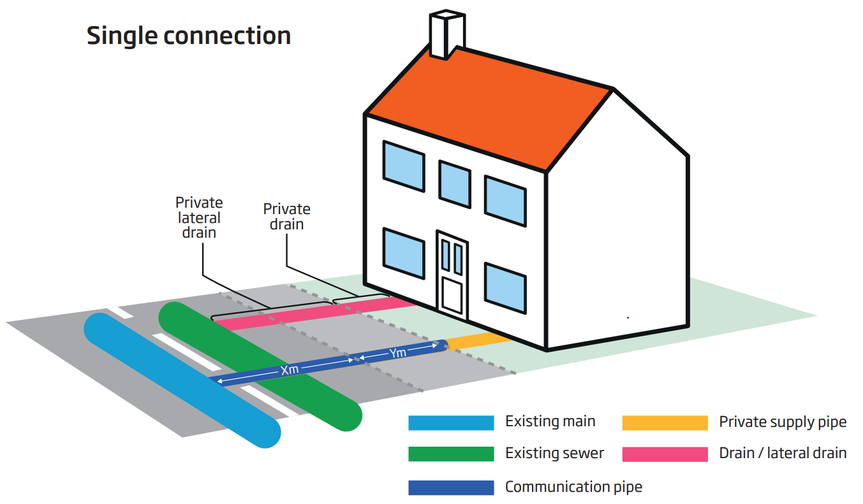
Scenario 1 - Single connection to a house from an existing main

This worked example provides charges for a single connection to an existing water main of 90mm diameter polyethylene (PE). The worked example includes the associated charges for a single property connection to an existing sewer, which is completed by the customer. These charges are specified under ‘Other Charges’.

Within construction costs, this includes: Service pipe installation; Boundary box fitting; Meter installation; Excavation; Reinstatement
Pipework:
• 25 – 32mm diameter PE pipe
• 4m pipework in road
Traffic management assumes the road (Type 3-4) is 40mph, has two lanes and does not require a road closure or lane closure. Two-way automated lights are required. There is also an assumption that the only payable council charges are for permitting. We have included in the example the average cost for our region. A customer will pay the charges applicable to their site and location.

