Scenario 5
Scenario 5: Large housing development requiring new mains and communication pipes (excavation and reinstatement completed by others)

This worked example provides charges associated with the provision of new water mains and individual connections from them for each of 200 new houses. The worked example includes the associated charges for the 200 property connections to an existing sewer, which are completed by the customer. This worked examples assumes excavation and reinstatement activities are completed by others, except for the excavation leading to the point of connection to the existing water main.

Within construction costs, this includes: Mains laying; Service pipe installation; Boundary box fitting; Meter installation
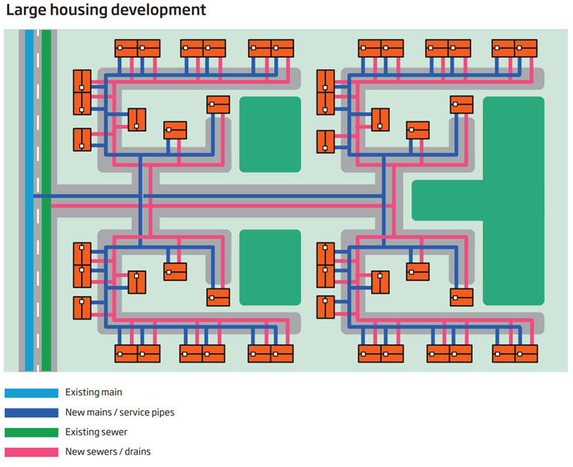
Technical Specification (Connection) - Pipework (no excavation):
• Connection to existing main of 180mm diameter PE
• 3m pipe laying (per communication pipe)

Technical Specification (Mains) - Pipework: Total length 1000m, consisting of:
• 180mm diameter PE – 20m pipework in type 3-4 road (leading to point of connection
• 180mm diameter PE – 100m pipework
• 125mm diameter PE – 480m pipework
• 90mm diameter PE – 400m pipework

Design Considerations:
• 250mm diameter existing main, serving 150 existing customers
• Six commissioning phases
• Six sample chlorination and connections - footpath
• Ten washouts – unmade ground
• Eight valves (1 x 150mm, 5 x 100mm, 2 x 80mm) - unmade ground
• Two trial holes - unmade ground

Traffic management assumes the road (Type 3-4) is 50mph, has two lanes and requires a road closure and eight parking pay suspensions. Any additional council charges for permitting should be included. We have included in the example the average cost for our region. A customer will pay the charge applicable to their site location.

