Scenario 6
Scenario 6: Large housing development requiring new mains and communication pipes (excavation and reinstatement completed by Wessex Water)

This worked example provides charges associated with the provision of new water mains and individual connections from them for each of 200 new houses. The worked example includes the associated charges for the 200 property connections to an existing sewer, which are completed by the customer. This worked example assumes that the excavation and reinstatement activities are carried out by Wessex Water, however, should the Developer appoint an SLP or NAV, this worked example assumes these (and other contestable items) would be carried out by the SLP or NAV.

Within construction costs, this includes: Service pipe installation; Boundary box fitting; Meter installation; Excavation; Reinstatement
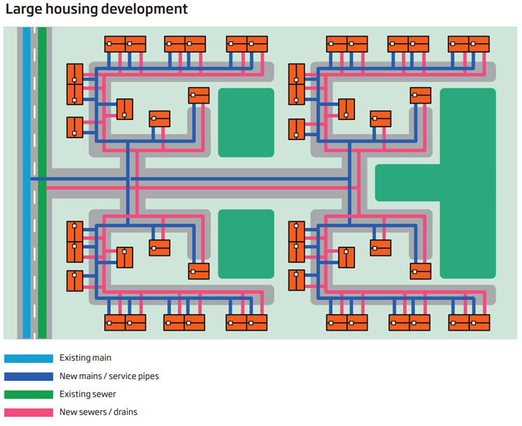
Technical Specification (Connection) - Pipework (unmade ground):
• Connection to existing main of 180mm diameter PE
• 3m pipe laying (per communication pipe)

Technical Specification (Mains) - Pipework: Total length 1000m, consisting of:
• 180mm diameter PE – 20m pipework in type 3-4 road (leading to point of connection
• 180mm diameter PE – 100m pipework in footpath
• 125mm diameter PE – 480m pipework in unmade ground
• 90mm diameter PE – 400m pipework in unmade ground Design Considerations:
• 250mm diameter existing main, serving 150 existing customers
• Six commissioning phases
• Six sample chlorination and connections – Footpath
• Ten washouts - Unmade Ground
• Eight valves (1 x 150mm, 5 x 100mm, 2 x 80mm) - Unmade Ground
• Two trial holes - Unmade Ground

Traffic management assumes the road (Type 3-4) is 50mph, has two lanes and requires a road closure and eight parking pay suspensions. Any additional council charges for permitting should be included. We have included in the example the average cost for our region. A customer will pay the charge applicable to their site location.

We have further made the assumption that the developer lays new shared drainage with a single existing sewer.

