Scenario 4
Scenario 4: Medium housing development requiring new mains and communication pipes (excavation and reinstatement by Wessex Water)

This worked example provides charges associated with the provision of new water mains and individual connections from them for each of 50 new houses. The worked example includes the associated charges for the 50 property connections to an existing sewer, which are completed by the customer. This worked example assumes that the excavation and reinstatement activities are completed by Wessex Water. However, should the Developer appoint an SLP or NAV, this worked example assumes these (and other contestable items) would be carried out by the SLP or NAV.

Within construction costs, this includes: Mains laying; Service pipe installation; Boundary box fitting; Meter installation; Excavation; Reinstatement
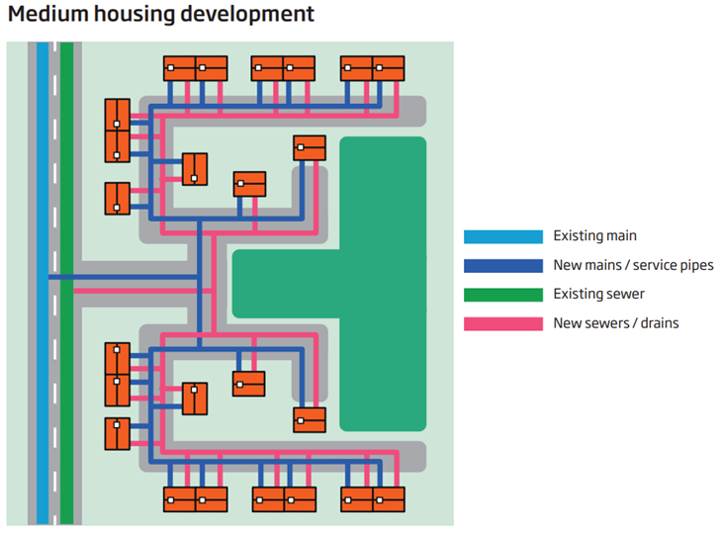
Technical Specification (Connection) - Pipework (unmade ground):
• Connection to existing main of 180mm diameter PE
• 3m pipe laying (per communication pipe)

Technical Specification (Mains) - Pipework: Total length 300m, consisting of:
• 125mm diameter PE – 10m pipework in road (including connection to existing 180mm PE Main)
• 125mm diameter PE – 50m pipework in footpath
• 125mm diameter PE – 140m pipework in Unmade ground
• 90mm diameter PE – 100m pipework Unmade ground

Design Considerations:
• 180mm diameter existing main, serving 150 existing customers
• Three commissioning phases
• Three sample chlorination and connections - footpath
• Four washouts - unmade ground
• Five valves (1 x 150mm, 3 x 100mm, 1 x 80mm) - unmade ground
• One trial hole - unmade ground

Traffic management assumes the road (Type 3-4) is 50mph, has two lanes and requires a road closure and eight parking pay suspensions. Any additional council charges for permitting should be included. We have included in the example the average cost for our region. A customer will pay the charge applicable to their site location.

We have further made the assumption that the developer lays new shared drainage with a single existing sewer.

