Scenario 2
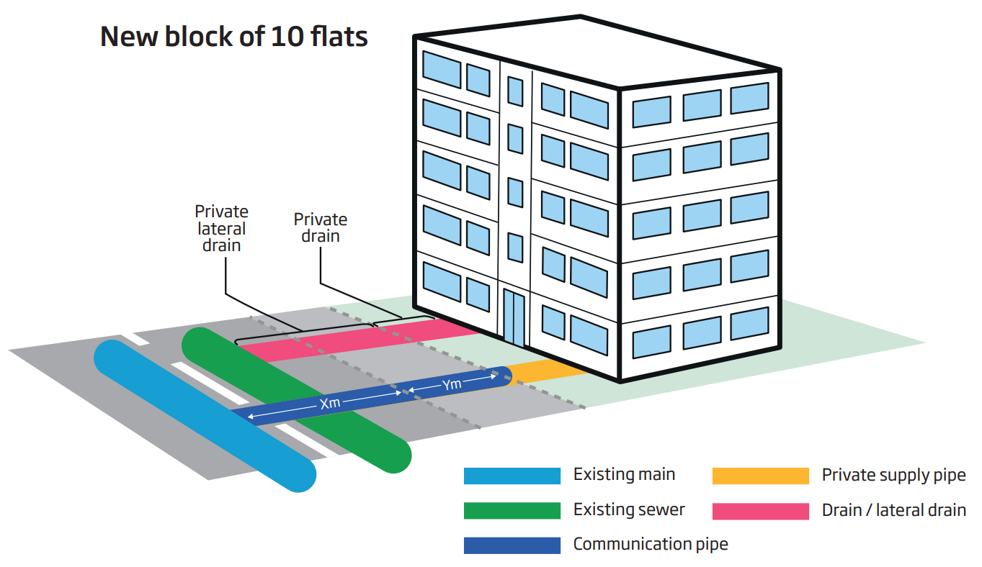
Scenario 2 - Single connection to a block of flats from an existing main

This worked example provides charges for a block of 10 flats to be connected to an existing main of 90mm diameter PE. Each flat will be individually metered. The worked example should include the associated charges for connection to an existing sewer, which is completed by the customer.

Within construction costs, this includes: Service pipe installation; Boundary box fitting; Meter installation; Excavation; Reinstatement

Pipework:
• 63mm diameter PE pipe
• 4m pipework in road, 4m pipework in unmade ground

Traffic management assumes the road (Type 3-4) is 40mph, has two lanes and does not require a road closure or lane closure. Two-way automated lights are required. There is also an assumption that the only payable council charges are for permitting. We have included in the example the average cost for our region. A customer will pay the charge applicable to their site location.

Our scenario assumes a requirement for an internal manifold which the customer is responsible for sourcing and installing. Another option available would be to use a 6 & 4 port manifold externally and appropriate charges would apply for this installation.

